Software Testing
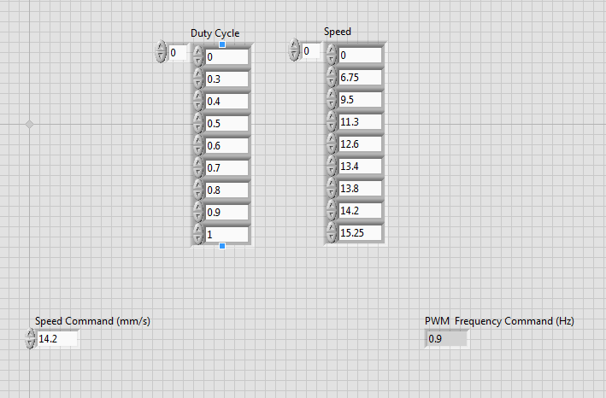
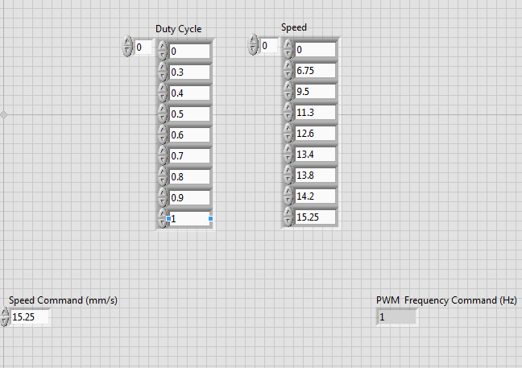
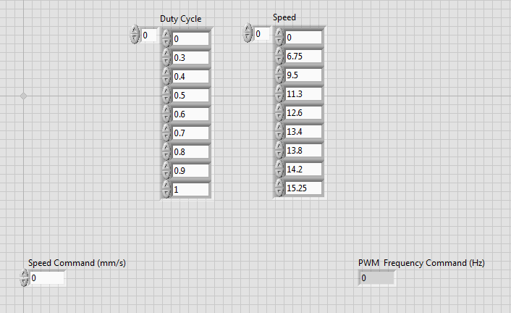
Uses lookup table to convert speed command to duty cycle

Hardware Testing
Direction | Commanded Speed | Min Speed | Max Speed | DC | Average Speed
BWD | 7 | 5.5 | 8 | 0.309 | 6.7
FWD | 7 | 5.5 | 7.5 | 0.309 | 6.7
BWD | 9 | 8.3 | 10 | 0.381 | 8.4
FWD | 9 | 8.3 | 40 | 0.381 | 9
BWD | 11 | 9.4 | 11.7 | 0.483 | 10.65
FWD | 11 | 10.25 | 12 | 0.483 | 11
BWD | 13 | 11 | 13.5 | 0.65 | 12.4
FWD | 13 | 14 | 12.3 | 0.65 | 13
BWD | 15 | 13.5 | 16 | 0.98 | 14.5
FWD | 15 | 14.25 | 15.75 | 0.98 | 15

